Sheet1
TEST CASES ON FACEBOOK OF LOGIN PAGE
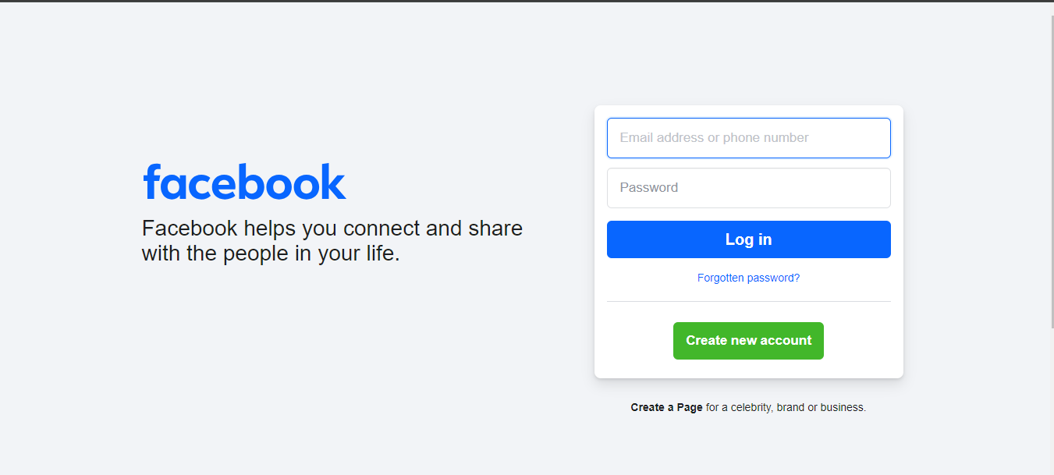

Process/Feature | Test Case Number | Test Case | Type | Steps
Login Screen | TC-001 | Verify that login page should get open when we hit the url (https://www.facebook.com/). | Functional
 | TC-002 | Verify that logo of the facebook should be present. | UI/UX
 | TC-003 | Verify the color, shape, size, font and position of the logo. | UI/UX
 | TC-004 | Verify that tagline is present or not. | UI/UX
 | TC-005 | Verify the color, shape, size, font and position of the tagline. | UI/UX
 | TC-006 | Verify there should be no spelling, grammar or punctuation error in tagline. | UI/UX
 | TC-007 | Verify that all required labels, buttons, texts, links, input fields should be present. | UI/UX
 | TC-008 | Verify that all required labels, buttons, texts, links, input fields should be clearly visible. | UI/UX
 | TC-009 | Verify that all buttons, labels, text, Input field and links should properly aligned. (There should be no overlapping). | UI/UX
 | TC-010 | Verify that size of all buttons, labels, text, Input field and links. | UI/UX
 | TC-011 | Verify that the login functionality should work in different browsers. (Cross browser testing). | Functional
 | TC-012 | Verify that placeholder and tooltip are present or not. | UI/UX
 | TC-013 | Verify that the login screen is responsive according to different screen sizes. (Responsive Testing). | UI/UX
 | TC-014 | Verify that user is able to input email/phone number and password. | Functional
 | TC-015 | Verify that password is masked/encrypted. | Functional
 | TC-016 | Verify that password should be visible when eye button is clicked and vice-versa. | Functional
 | TC-017 | Verify the Min and Max allowed limits of characters of email and number. | Functional
 | TC-018 | Verify the Min and Max allowed limits of characters of password. | Functional
 | TC-019 | Verify the redirection of all links in footer section. | Functional
 | TC-020 | Verify users is not able to login when email and password are blank. | Negative
 | TC-021 | Verify that correct error message is displayed when user is trying to login with blank fields. | Functional
 | TC-022 | Verify users is not able to login with blank email field and valid password. | Negative
 | TC-023 | Verify that correct error message is displayed when user is trying to login with blank email but valid password. | Functional
 | TC-024 | Verify users is not able to login with valid email and blank password field. | Negative
 | TC-025 | Verify that correct error message is displayed when user is trying to login with valid email but blank password. | Functional
 | TC-026 | Verify users is not able to login with blank email field and Invalid password. | Negative
 | TC-027 | Verify that correct error message is displayed when user is trying to login with blank email and Invalid password. | Functional
 | TC-028 | Verify users is not able to login with Invalid email and blank password field. | Negative
 | TC-029 | Verify that correct error message is displayed when user is trying to login with Invalid email and blank password. | Functional
 | TC-030 | Verify that user is not able to login with Valid email and Invalid password. | Negative | Open login page. Enter Valid email. Enter Invalid Password. Click login button.
 | TC-031 | Verify that correct error message is displayed when user is trying to login with valid email and invalid password. | Functional | Open login page. Enter Valid email. Enter Invalid Password. Click login button.
 | TC-032 | Verify that user is not able to login with invalid email and valid password. | Negative | Open login page. Enter Invalid username. Enter Valid Password. Click login button.
 | TC-033 | Verify that correct error message is displayed when user is trying to login with invalid email and valid password. | Functional | Open login page. Enter Invalid username. Enter Valid Password. Click login button.
 | TC-034 | Verify that user is not able to login with invalid email and invalid password. | Negative | Open login page. Enter Invalid email. Enter Invalid Password. Click login button.
 | TC-035 | Verify that correct error message is displayed when user is trying to login with invalid email and invalid password. | Functional | Open login page. Enter Invalid email. Enter Invalid Password. Click login button.
 | TC-036 | Verify that user is able to login with valid email and valid password. | Positive | Open login page. Enter Valid username. Enter Valid Password. Click login button.
 | TC-037 | Verify that correct message is displayed when user is logged in with valid email and valid password. | Functional | Open login page. Enter Valid username. Enter Valid Password. Click login button.
 | TC-038 | Verify after login it should redirect to home page. | Functional
 | TC-039 | Verify that user is not able to login with old password. | Functional
 | TC-040 | Verify that user is able to login with new password. | Functional
 | TC-041 | Verify that user cannot set already used password as new password. | Functional
 | TC-042 | Verify that Max No.of unsuccessful login attempts allowed. | Functional
 | TC-043 | Verify that captcha, OTP, 2FA, MFA are working if enabled. | Functional
 | TC-044 | Verify that multiple login session are allowed or not. | Functional
 | TC-045 | Verify the redirection of forgot password link. | Functional
 | TC-046 | Verify the redirection of create account button. | Functional

